Blad1
 | ORDER |  | SUPPLIER : |  | ELITE |  | SEASON : | 2026/2 |  | YR REF : | P46W106

 |  |  | DATE: | 2026-04-13 |  |  | PRICE : | 14.4 | EURO | QUAL. : | MICRO SUEDE
 |  |  |  |  |  |  |  |  |  |  | PES EA
 |  |  | DESCRIPTION : |  | T-SHIRT POLO NECK LONG SLEEVE

REFERENCE |  | HOT CORAL |  |  | SIZE : | 36 | 38 | 40 | 42 | 44 | 46 | TOTAL
P46W106 |  | GREEN |  |  |  | 36 | 52 | 60 | 60 | 60 | 50 | 318
 |  | ORANGE |  |  |  | 30 | 46 | 52 | 56 | 54 | 46 | 284
 |  | PINK |  |  |  | 28 | 42 | 52 | 60 | 56 | 30 | 268
 |  |  |  |  |  |  |  |  |  |  |  | 0
 |  |  |  |  |  |  |  |  |  |  |  | 0
GREEN |  |  | ORANGE |  |  | PINK |  |  |  |  |  | 870
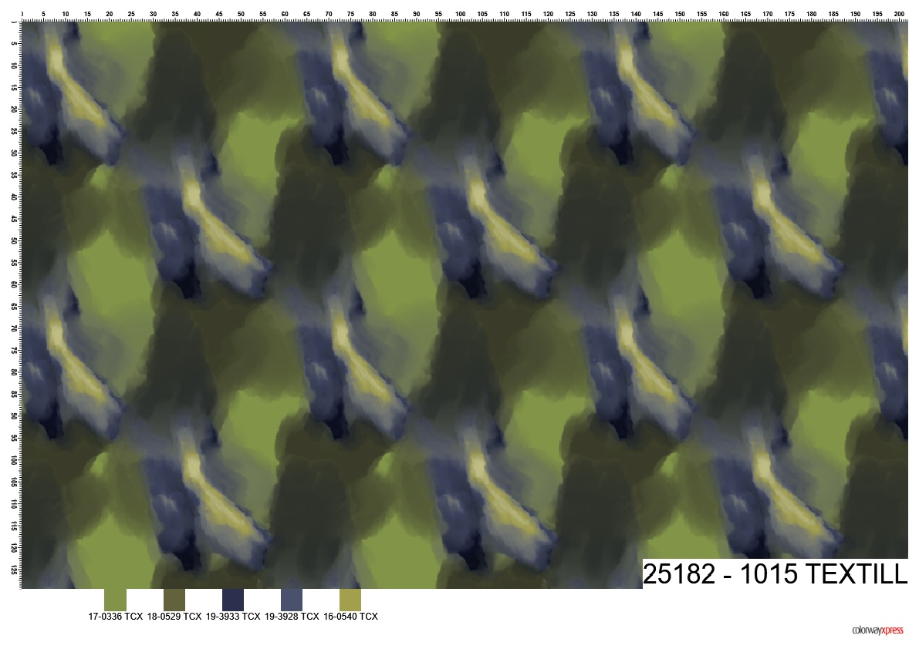
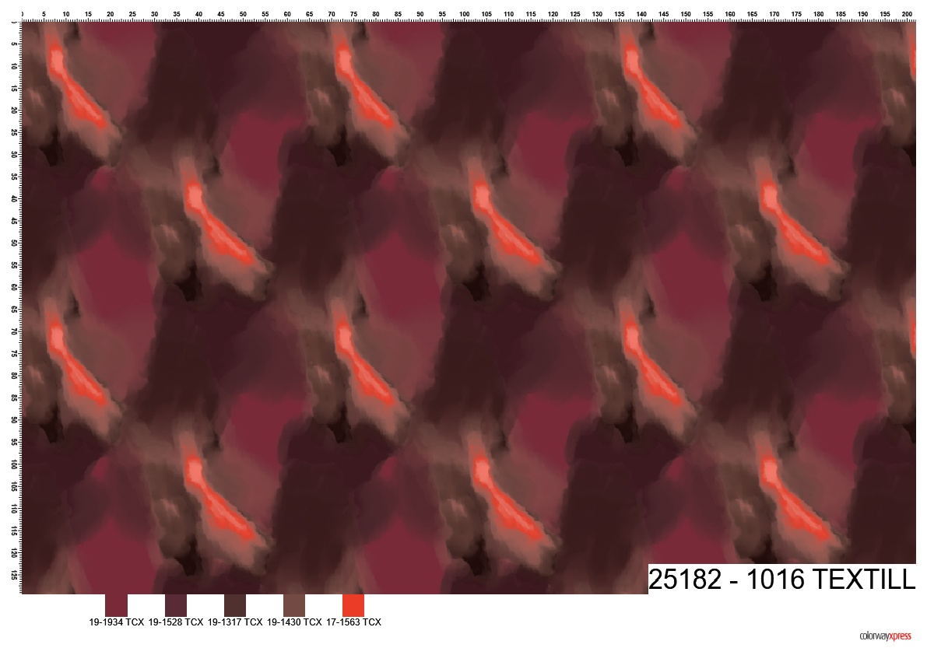
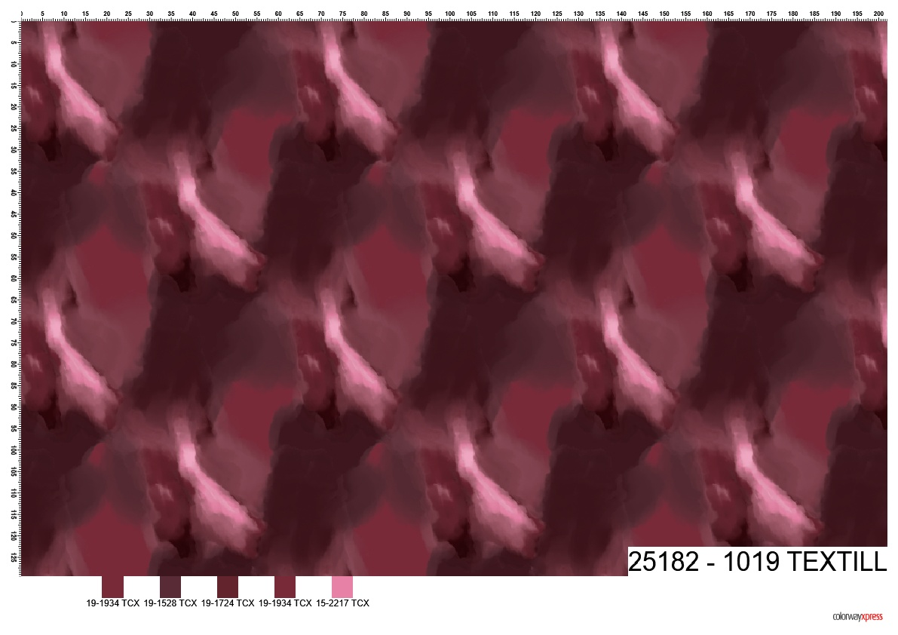
25182-1015 |  |  | 25182-1016 |  |  | 25182-1019 |  |  |  |  |  | STYLE
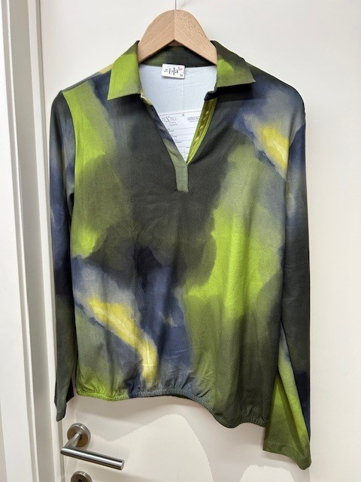

LABELS |  | SHE GOES LALA

REMARK

DELIVERY |  | June

